Tasks
A task should be done by only 1-2 students. Duplicate tasks are not recommended Each member should work on at least 5 tasks

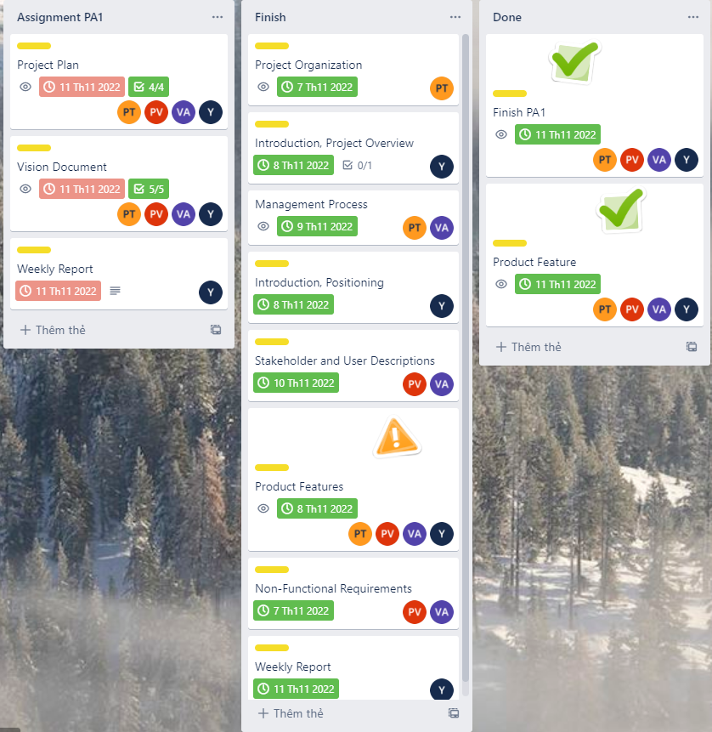
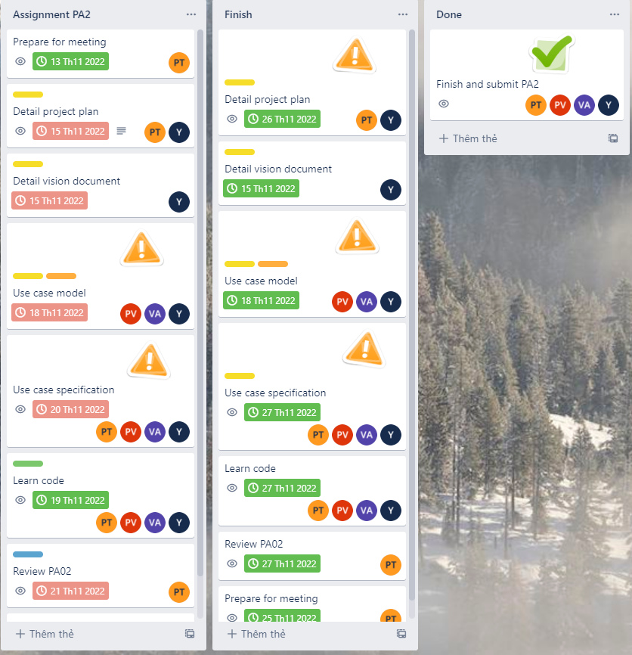
No | Student ID | Full name | Task Description | Hours | Evidence (screenshots of chat messages, of Git commits... proving that you perform and finish the task)
1 | 20127274 | Nguyễn Thanh Phong | Project Organization | 5
2 | 20127274 | Nguyễn Thanh Phong | Management Process | 5
3 | 20127274 | Nguyễn Thanh Phong | Product Features | 5
4 | 20127274 | Nguyễn Thanh Phong | Detail Project Plan | 5
5 | 20127274 | Nguyễn Thanh Phong | Use case Specification (Sign up,Sign in, Edit information, Change password,Charge display name) | 5
6 | 20127274 | Nguyễn Thanh Phong | Learn code | 5
7 | 20127274 | Nguyễn Thanh Phong | Review PA02 | 5
8 | 20127274 | Nguyễn Thanh Phong | Prepare for meeting | 5
9 | 20127274 | Nguyễn Thanh Phong | Logical view(Logical View, 4.1. Component: Service Integration, 4.2. Component: User Management,4.3. Component: Authentication GUI) | 5
10 | 20127274 | Nguyễn Thanh Phong | Learn about web | 5
11 | 20127274 | Nguyễn Thanh Phong | Review research | 5
12 | 20127274 | Nguyễn Thanh Phong | Review PA03 | 5
13 | 20127274 | Nguyễn Thanh Phong | Use case model | 5
14 | 20127274 | Nguyễn Thanh Phong | Class diagram | 5
15 | 20127274 | Nguyễn Thanh Phong | Code cart screen | 5
16 | 20127274 | Nguyễn Thanh Phong | Revise PA03 | 5
17 | 20127274 | Nguyễn Thanh Phong | Review PA05 | 5
18 | 20127274 | Nguyễn Thanh Phong | Target test items(Sort store, Order food) | 5
19 | 20127274 | Nguyễn Thanh Phong | Test report | 5
20 | 20127274 | Nguyễn Thanh Phong | Test cases (test Add to cart funtion) | 5
21 | 20127274 | Nguyễn Thanh Phong | Code cart interface | 6
22 | 20127274 | Nguyễn Thanh Phong | Code Remove Items buttons | 7
23 | 20127274 | Nguyễn Thanh Phong | Code Add to cart | 7
23+ | 20127274 | Nguyễn Thanh Phong | Write ppt (Analysis and design) | 1
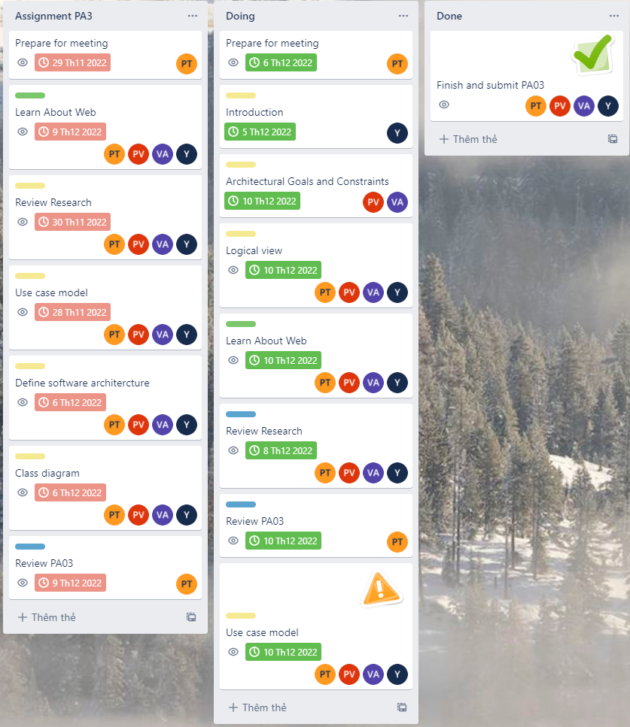
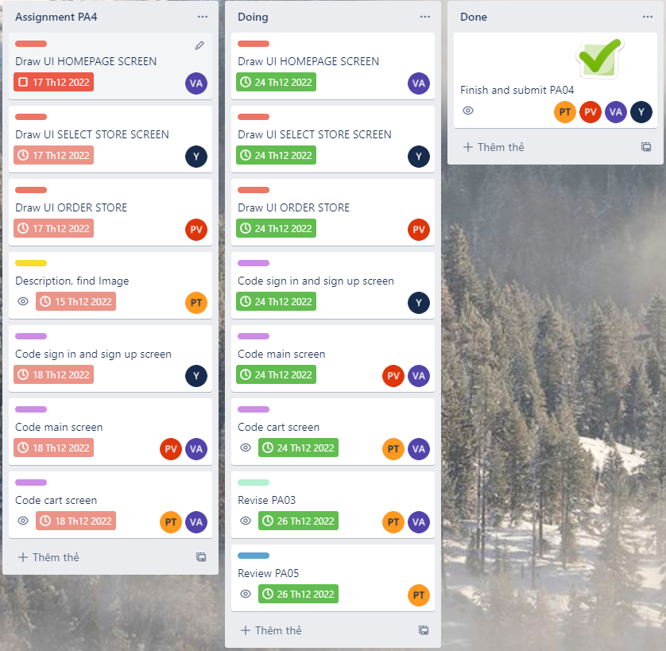
24 | 20127251 | Lê Thu Ngân | Vision Document: Introduction, Positioning | 4
25 | 20127251 | Lê Thu Ngân | Project Plan: Introduction Project Overview | 4
26 | 20127251 | Lê Thu Ngân | Weekly report | 4
27 | 20127251 | Lê Thu Ngân | Change project plan: Product Features, Draw agantt chart | 4
28 | 20127251 | Lê Thu Ngân | Use - case specification: Add to cart,Order foods, Order information,Order information,Admin approve registration form Use case model: Add to cart,Order foods, Order information,Order information,Admin approve registration form | 4 | https://drive.google.com/drive/u/0/folders/1l97HRXrYGkWE8F0ciwlP4la2MBoTfTwK: : Google drive for all document
29 | 20127251 | Lê Thu Ngân | Software architecture document: Introduction, Component: (Authentication Controller, Admin GUI, Admin Action Controller, Post GUI) | 4
30 | 20127251 | Lê Thu Ngân | Draw ui select store screen | 4
31 | 20127251 | Lê Thu Ngân | Code sign in and sign up screen | 4
32 | 20127251 | Lê Thu Ngân | Code store (Bánh mì, Bánh xèo, Bún bò huế) | 4
33 | 20127251 | Lê Thu Ngân | Target test items sign in, Add to cart, Search store | 4
34 | 20127251 | Lê Thu Ngân | Learn code | 8
35 | 20127251 | Lê Thu Ngân | Learn About Web | 8
36 | 20127251 | Lê Thu Ngân | Review Research | 4
37 | 20127251 | Lê Thu Ngân | Define software architercture | 4
38 | 20127251 | Lê Thu Ngân | Class diagram | 4
39 | 20127251 | Lê Thu Ngân | Test report: sign in | 4
40 | 20127251 | Lê Thu Ngân | Code sign in, sign up interface | 4
41 | 20127251 | Lê Thu Ngân | Tests cases: sign in | 4
42 | 20127251 | Lê Thu Ngân | Create DataBase | 4
43 | 20127251 | Lê Thu Ngân | Slide: Preamble | 4
49 | 20127390 | Lê Anh Vinh | Management Process | 4
50 | 20127390 | Lê Anh Vinh | Stakeholder and User Descriptions | 4
51 | 20127390 | Lê Anh Vinh | Product Features | 4
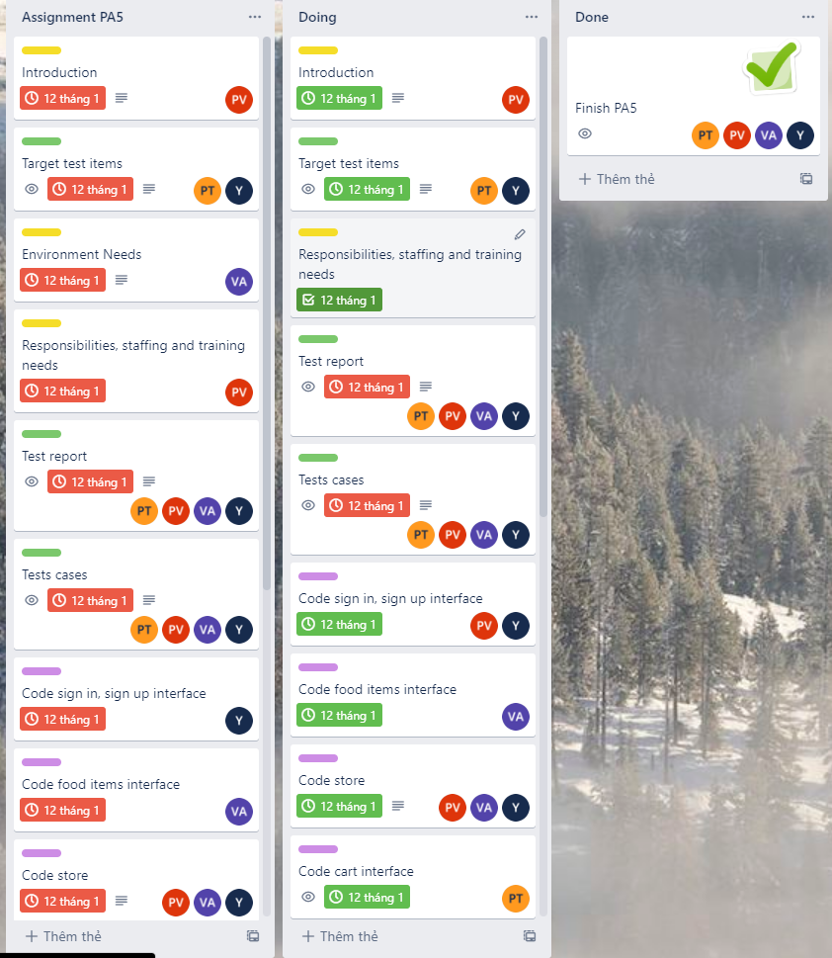
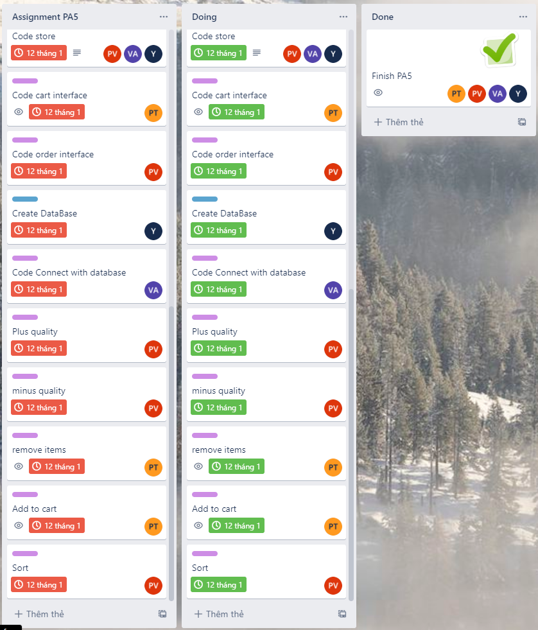
52 | 20127390 | Lê Anh Vinh | Non-Functional Requiremens | 4
53 | 20127390 | Lê Anh Vinh | Use case model | 8
54 | 20127390 | Lê Anh Vinh | Use case specification | 8
55 | 20127390 | Lê Anh Vinh | Learn code | 4
56 | 20127390 | Lê Anh Vinh | Archiectural Goals and Constraints | 4
57 | 20127390 | Lê Anh Vinh | Logical view | 4
58 | 20127390 | Lê Anh Vinh | Learn About Web | 7
59 | 20127390 | Lê Anh Vinh | Review search | 4
60 | 20127390 | Lê Anh Vinh | Use case model | 4
61 | 20127390 | Lê Anh Vinh | Draw UI HOMEPAGE SCREEN | 2
62 | 20127390 | Lê Anh Vinh | Code main screen | 4
63 | 20127390 | Lê Anh Vinh | Code cart screen | 4
64 | 20127390 | Lê Anh Vinh | Revise PA03 | 4
65 | 20127390 | Lê Anh Vinh | Test report | 4
66 | 20127390 | Lê Anh Vinh | Test cases | 4
67 | 20127390 | Lê Anh Vinh | Code food items interface | 4
68 | 20127390 | Lê Anh Vinh | Store of food (Cơm gà) - Vinh | 4
69 | 20127390 | Lê Anh Vinh | Code Connect with database | 4
70 | 20127589 | Võ Tấn Phát | Stakeholder and User Descriptions | 4
71 | 20127589 | Võ Tấn Phát | Product Features | 4
72 | 20127589 | Võ Tấn Phát | Non-Functional Requirements | 4
73 | 20127589 | Võ Tấn Phát | Use case model | 4
74 | 20127589 | Võ Tấn Phát | Use case specification(Search, Voucher, Instruction, Delivery management, Notification) | 4
75 | 20127589 | Võ Tấn Phát | Learn code | 4
76 | 20127589 | Võ Tấn Phát | Architectural Goals and Constraints | 4
77 | 20127589 | Võ Tấn Phát | Logical view | 4
78 | 20127589 | Võ Tấn Phát | Learn About Web | 4
79 | 20127589 | Võ Tấn Phát | Review Research | 4
80 | 20127589 | Võ Tấn Phát | Use case model | 4
81 | 20127589 | Võ Tấn Phát | Draw UI ORDER STORE | 4
82 | 20127589 | Võ Tấn Phát | Code main screen | 4
83 | 20127589 | Võ Tấn Phát | Introduction | 4
84 | 20127589 | Võ Tấn Phát | Test report | 4
85 | 20127589 | Võ Tấn Phát | Tests cases(test Oder food) | 4
86 | 20127589 | Võ Tấn Phát | Code sign in, sign up interface | 4
87 | 20127589 | Võ Tấn Phát | Code store | 4
88 | 20127589 | Võ Tấn Phát | Code order interface | 4
89 | 20127589 | Võ Tấn Phát | Plus quality | 4
90 | 20127589 | Võ Tấn Phát | minus quality | 4
91 | 20127589 | Võ Tấn Phát | Sort | 4
92
93
94
95
96
97
98
99
100

